Lilly Mod 5 Ex.1 Instructions
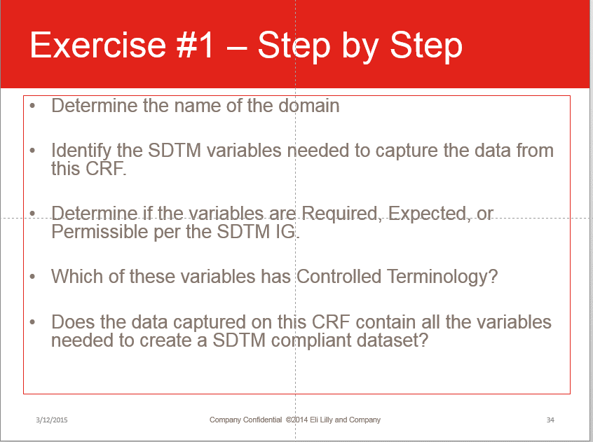
 | Mod 5, Exercise 1 Instructions
1 | Determine the SDTM domain that this CRF represents
2 | Open the SDTM IG to that domain.
3 | Determine which SDTM variables are represented on the CRF, and write them on the CRF (either the hardcopy or the electronic copy)
4 | Enter the Required Variables into the "Required" column
5 | Enter the Expected Variables into the "Expected" column
6 | Enter the Permissible Variables into the "Permissible" column
7 | Enter the variables that have SDTM Controlled Terminology in the "Variables with CT" column
8 | Determine if this set of variable creates a compliant SDTM dataset.

Lilly Mod 5 Ex. 1
STUDYID
LBCAT
USUBJID
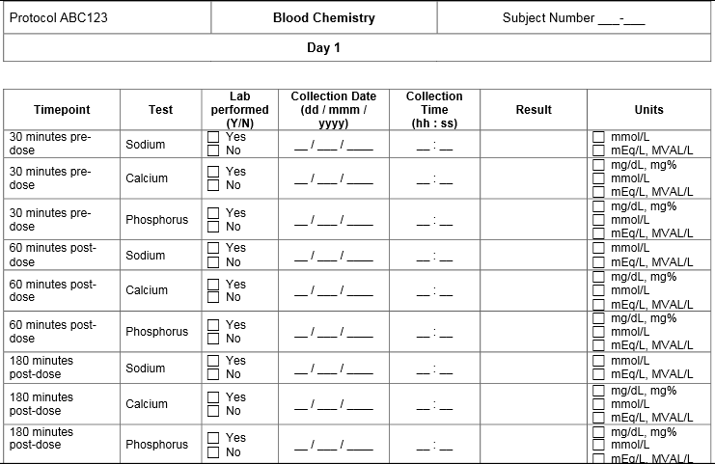

VISIT

LBTPT
LBTEST
LBSTAT
LBDTC
LBORRES
LBORRESU

Required | Expected | Permissible | Variables with CT | Is this dataset compliant?
STUDYID | LBCAT | LBTPT | LBTEST | No, there are additional Required and Expected variables for the LB domain.
USUBJID | LBDTC | LBSTAT | LBSTAT
LBTEST | LBORRES | VISIT | LBDTC
 | LBORRESU |  | LBORRESU
 |  |  | LBCAT (Lilly CT)

Lilly Mod 5 Ex. 2 Instructions
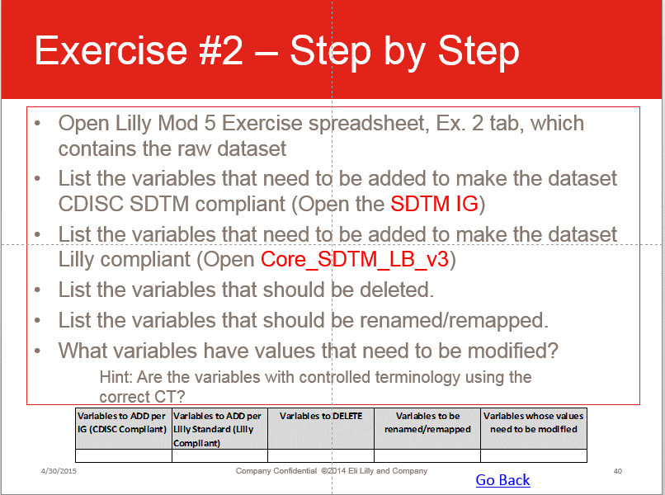
 | Mod 5, Exercise 2 Instructions
1 | Open the SDTM IG to the LB domain
2 | Determine which variables need to be added to the dataset
3 | Put them in the "Variables to ADD per IG" column
4 | Open the Lilly SDTM LB Standard "Core_SDTM_LB_Vn"
5 | Determine which variables need to be added to the dataset
6 | Put them in the "Variables to ADD per Lilly Standard" column
7 | Determine which variables in the raw data are not allowed per the IG
8 | Put them in the "Variables to DELETE" column
9 | Determine which DELETED variables could be mapped to a new variable:
10 | Add these to the "Variables to be renamed/remapped"
11 | Determine which variables have VALUES that need to be changed
12 | Add these to the "Variables whose values need to be modified" column

